S&P 100 Map
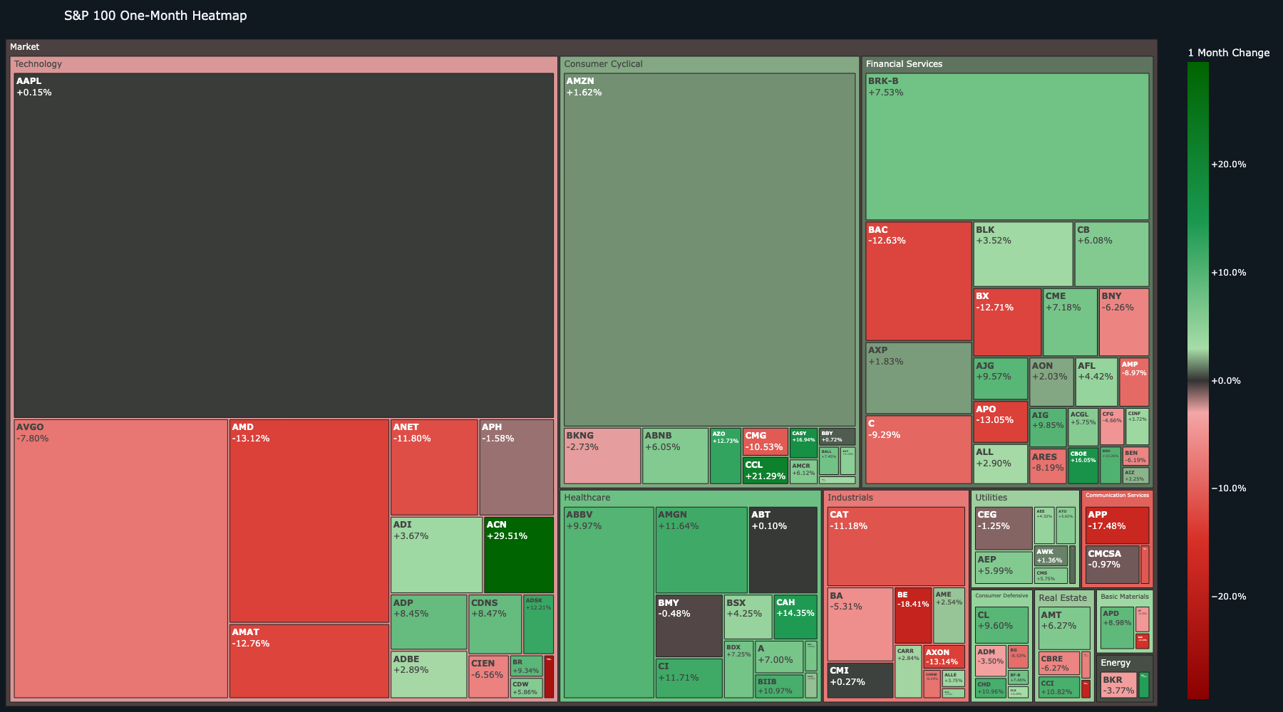
S&P 100 Map
Open interactive dashboard

Dividend Map
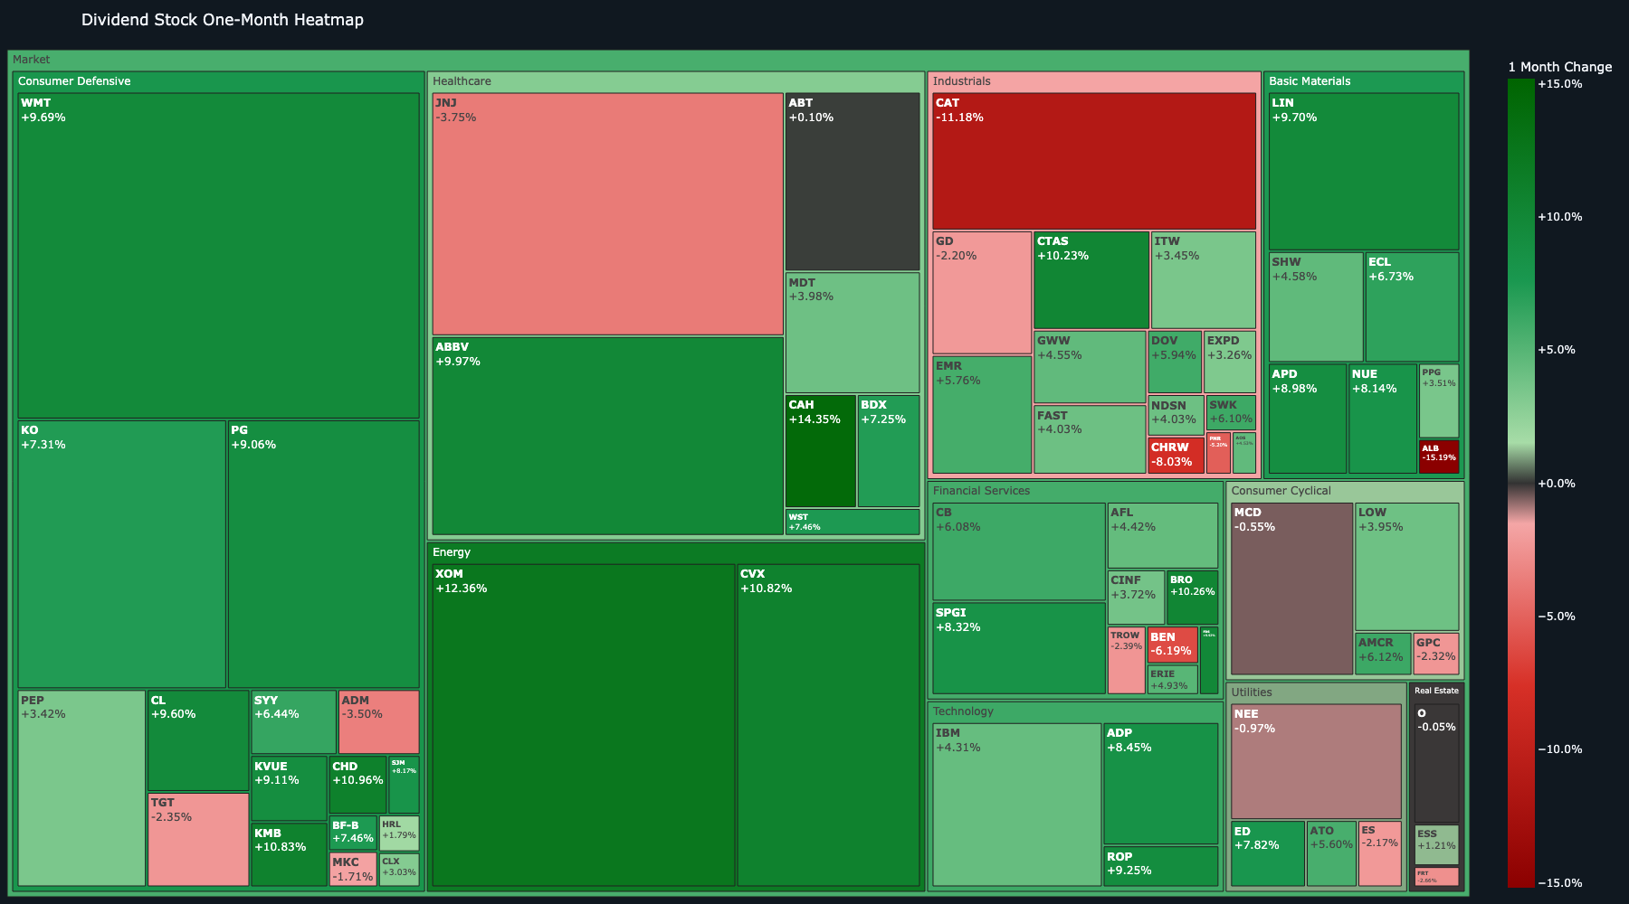
Dividend Map
Open interactive dashboard

ETF Map
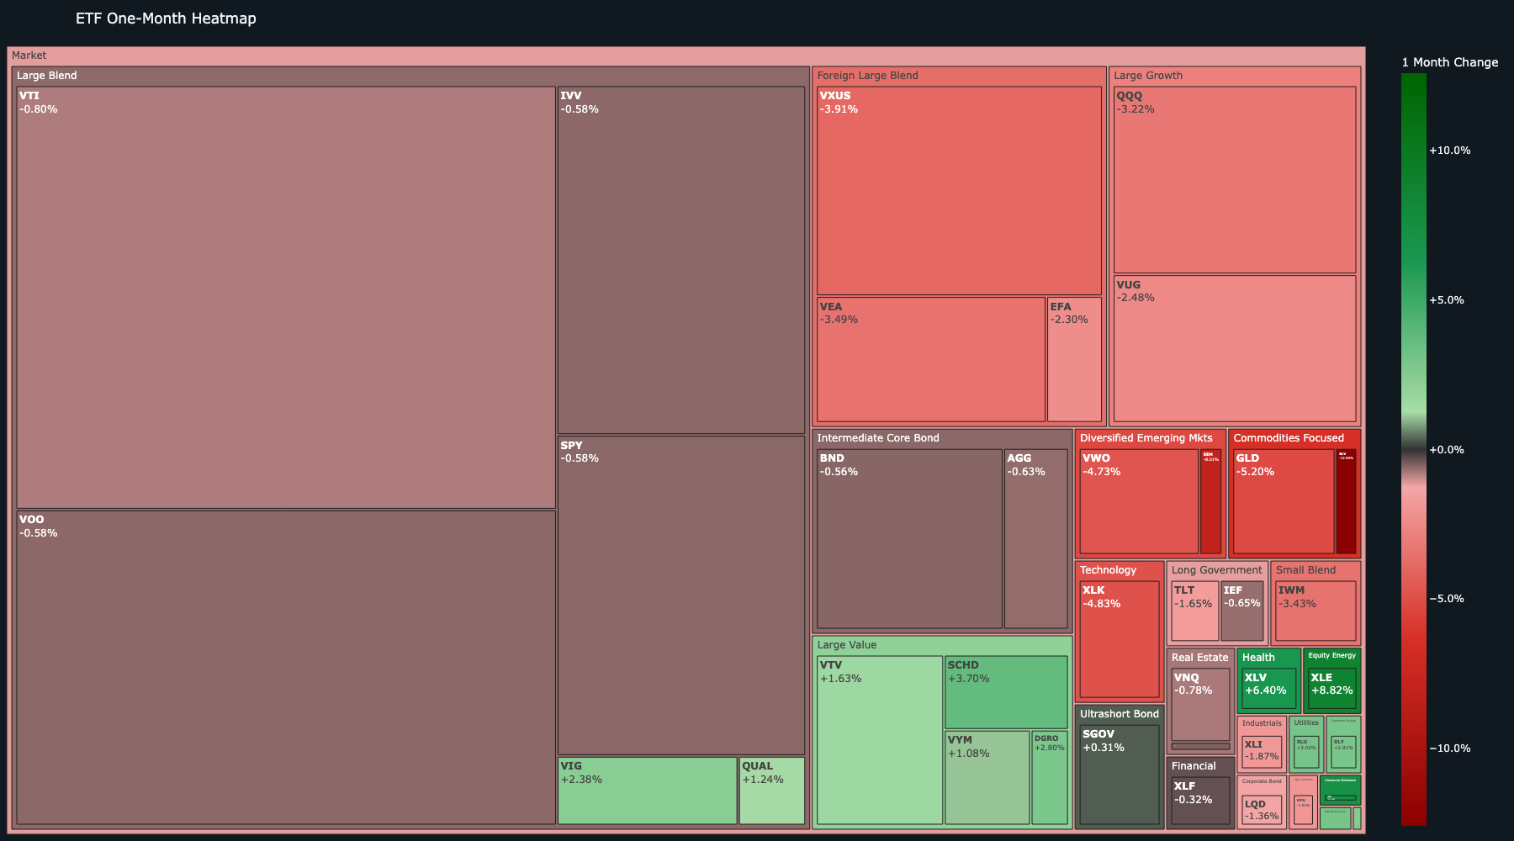
ETF Map
Open interactive dashboard

Sector Map
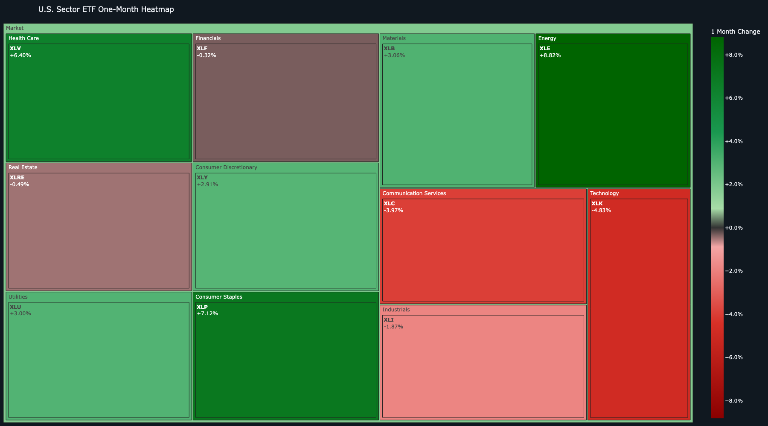
Sector Map
Open interactive dashboard

AMZN Summary
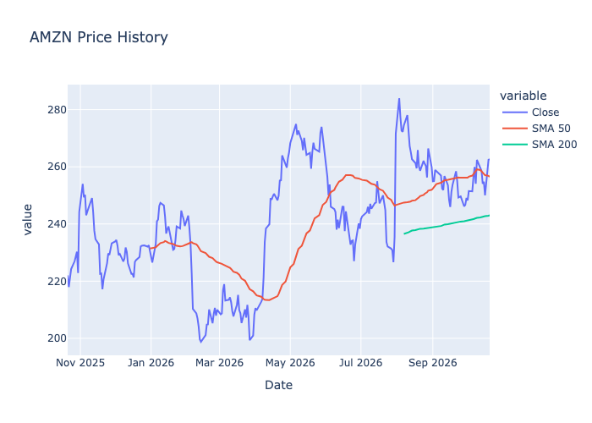
AMZN — Amazon.com, Inc.
Section | Metric | Value
Profile | Name | Amazon.com, Inc.
Profile | Sector | Consumer Cyclical
Profile | Industry | Internet Retail
Profile | Market Cap | $2,832,809,590,784
Price | Price | $263
Price | Previous Close | $262
Price | Daily Change % | 0.1%
Price | 1 Month Change % | 1.6%
Price | SMA 50 | $257
Price | SMA 200 | $243
Price | Bullish Alignment | Bullish
Profitability | ROE | 0.3%
Profitability | Profit Margin | 17.4%
Profitability | Revenue Growth | 19.6%
Profitability | Earnings Growth | 242.3%
Profitability | Free Cash Flow | $3,219,124,992
Value | Forward PE | 25.1
Value | PEG | 1.4
Value | Debt To Equity | 45.6
Value | Target Price | $332
Value | Upside % | 26.3%
Momentum | RSI | 57.4
Momentum | MACD | 1.3
Momentum | MACD Signal | 0.4
Momentum | MACD Histogram | 0.9

BLK Summary
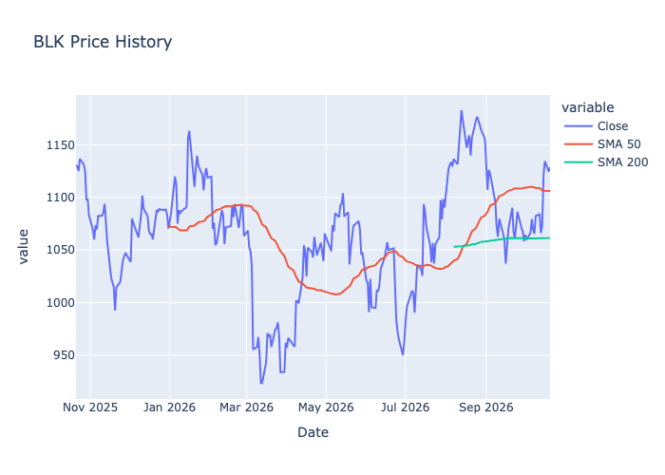
BLK — BlackRock, Inc.
Section | Metric | Value
Profile | Name | BlackRock, Inc.
Profile | Sector | Financial Services
Profile | Industry | Asset Management
Profile | Market Cap | $183,383,638,016
Price | Price | $1,129
Price | Previous Close | $1,125
Price | Daily Change % | 0.4%
Price | 1 Month Change % | 3.5%
Price | SMA 50 | $1,104
Price | SMA 200 | $1,053
Price | Bullish Alignment | Bullish
Profitability | ROE | N/A
Profitability | Profit Margin | 24.2%
Profitability | Revenue Growth | 19.1%
Profitability | Earnings Growth | 25.4%
Profitability | Free Cash Flow | N/A
Value | Forward PE | 17.3
Value | PEG | 0.9
Value | Debt To Equity | 23.2
Value | Target Price | $1,351
Value | Upside % | 19.7%
Momentum | RSI | 61.4
Momentum | MACD | 8.5
Momentum | MACD Signal | -0.1
Momentum | MACD Histogram | 8.5

COP Summary
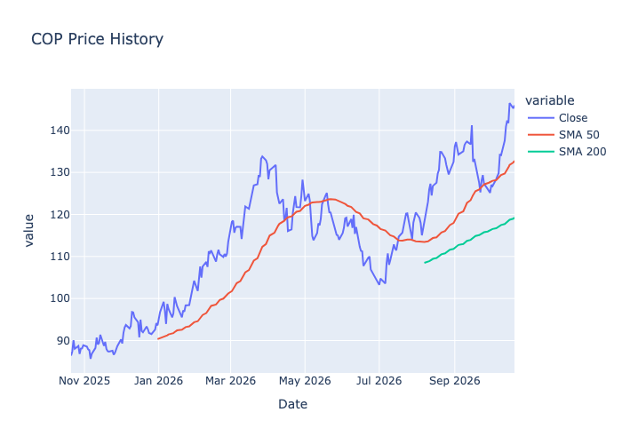
COP — ConocoPhillips
Section | Metric | Value
Profile | Name | ConocoPhillips
Profile | Sector | Energy
Profile | Industry | Oil & Gas E&P
Profile | Market Cap | $175,335,194,624
Price | Price | $146
Price | Previous Close | $145
Price | Daily Change % | 0.5%
Price | 1 Month Change % | 14.4%
Price | SMA 50 | $133
Price | SMA 200 | $118
Price | Bullish Alignment | Bullish
Profitability | ROE | 0.1%
Profitability | Profit Margin | 14.4%
Profitability | Revenue Growth | 35.5%
Profitability | Earnings Growth | 107.0%
Profitability | Free Cash Flow | $7,691,375,104
Value | Forward PE | 13.7
Value | PEG | 1.1
Value | Debt To Equity | 35.6
Value | Target Price | $151
Value | Upside % | 3.3%
Momentum | RSI | 72.1
Momentum | MACD | 4.1
Momentum | MACD Signal | 2.4
Momentum | MACD Histogram | 1.7

CRM Summary
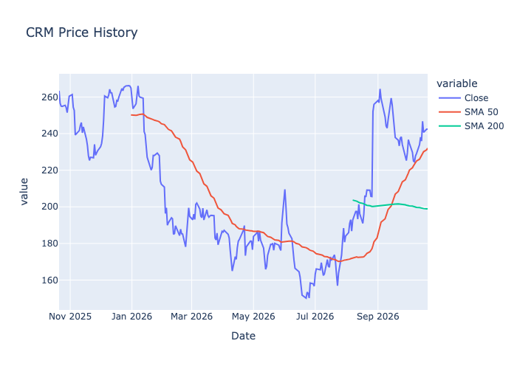
CRM — Salesforce, Inc.
Section | Metric | Value
Profile | Name | Salesforce, Inc.
Profile | Sector | Technology
Profile | Industry | Software - Application
Profile | Market Cap | $199,519,879,168
Price | Price | $242
Price | Previous Close | $242
Price | Daily Change % | -0.0%
Price | 1 Month Change % | 2.5%
Price | SMA 50 | $232
Price | SMA 200 | $198
Price | Bullish Alignment | Bullish
Profitability | ROE | 0.2%
Profitability | Profit Margin | 22.0%
Profitability | Revenue Growth | 10.8%
Profitability | Earnings Growth | 118.9%
Profitability | Free Cash Flow | $17,731,874,816
Value | Forward PE | 15.1
Value | PEG | 0.9
Value | Debt To Equity | 110.4
Value | Target Price | $286
Value | Upside % | 17.8%
Momentum | RSI | 57.1
Momentum | MACD | 2.6
Momentum | MACD Signal | 1.7
Momentum | MACD Histogram | 0.9

CVX Summary
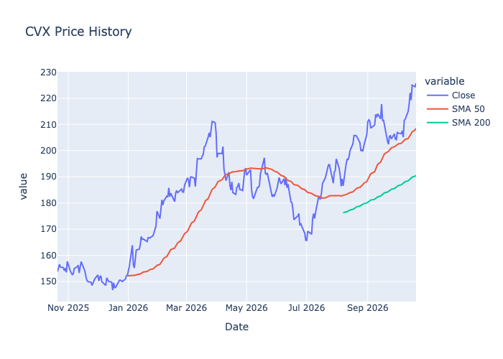
CVX — Chevron Corporation
Section | Metric | Value
Profile | Name | Chevron Corporation
Profile | Sector | Energy
Profile | Industry | Oil & Gas Integrated
Profile | Market Cap | $442,753,515,520
Price | Price | $226
Price | Previous Close | $224
Price | Daily Change % | 0.6%
Price | 1 Month Change % | 10.8%
Price | SMA 50 | $208
Price | SMA 200 | $188
Price | Bullish Alignment | Bullish
Profitability | ROE | 0.1%
Profitability | Profit Margin | 9.8%
Profitability | Revenue Growth | 53.5%
Profitability | Earnings Growth | 321.9%
Profitability | Free Cash Flow | $21,934,000,128
Value | Forward PE | 14.5
Value | PEG | 1.0
Value | Debt To Equity | 19.0
Value | Target Price | $230
Value | Upside % | 1.7%
Momentum | RSI | 70.8
Momentum | MACD | 4.9
Momentum | MACD Signal | 3.3
Momentum | MACD Histogram | 1.6

DHR Summary
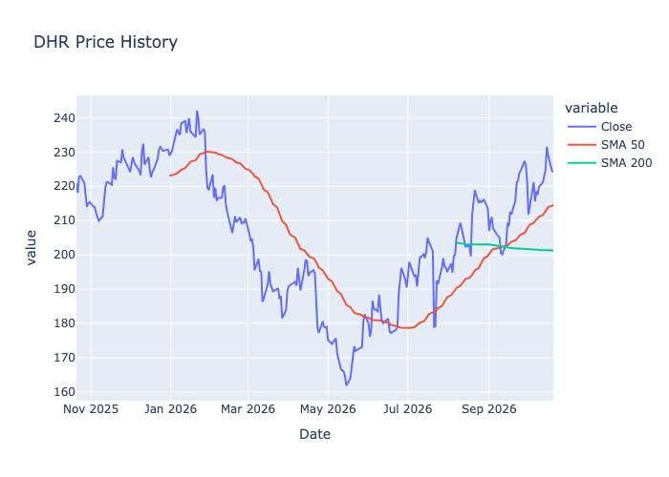
DHR — Danaher Corporation
Section | Metric | Value
Profile | Name | Danaher Corporation
Profile | Sector | Healthcare
Profile | Industry | Diagnostics & Research
Profile | Market Cap | $157,637,591,040
Price | Price | $224
Price | Previous Close | $224
Price | Daily Change % | -0.1%
Price | 1 Month Change % | 4.1%
Price | SMA 50 | $214
Price | SMA 200 | $201
Price | Bullish Alignment | Bullish
Profitability | ROE | 0.1%
Profitability | Profit Margin | 15.9%
Profitability | Revenue Growth | 5.5%
Profitability | Earnings Growth | 59.7%
Profitability | Free Cash Flow | $4,325,125,120
Value | Forward PE | 24.1
Value | PEG | 1.4
Value | Debt To Equity | 53.0
Value | Target Price | $244
Value | Upside % | 8.9%
Momentum | RSI | 56.1
Momentum | MACD | 3.7
Momentum | MACD Signal | 3.5
Momentum | MACD Histogram | 0.2

EMR Summary
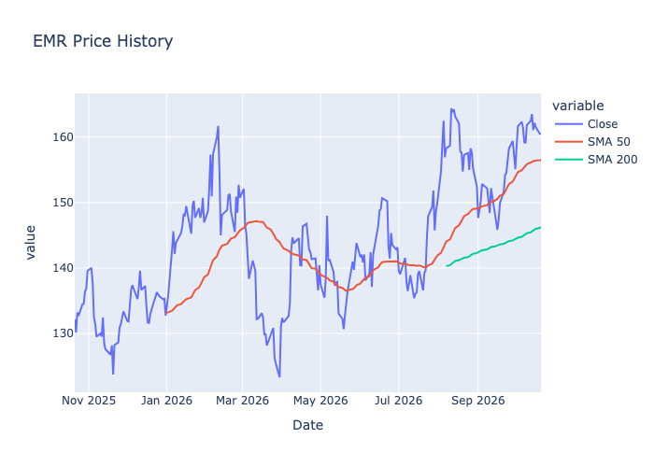
EMR — Emerson Electric Company
Section | Metric | Value
Profile | Name | Emerson Electric Company
Profile | Sector | Industrials
Profile | Industry | Specialty Industrial Machinery
Profile | Market Cap | $89,504,587,776
Price | Price | $160
Price | Previous Close | $161
Price | Daily Change % | -0.0%
Price | 1 Month Change % | 5.8%
Price | SMA 50 | $156
Price | SMA 200 | $146
Price | Bullish Alignment | Bullish
Profitability | ROE | 0.1%
Profitability | Profit Margin | 13.8%
Profitability | Revenue Growth | 7.0%
Profitability | Earnings Growth | 23.0%
Profitability | Free Cash Flow | $3,706,249,984
Value | Forward PE | 22.0
Value | PEG | 1.9
Value | Debt To Equity | 67.7
Value | Target Price | $175
Value | Upside % | 9.0%
Momentum | RSI | 55.1
Momentum | MACD | 2.0
Momentum | MACD Signal | 2.2
Momentum | MACD Histogram | -0.2

GOOG Summary
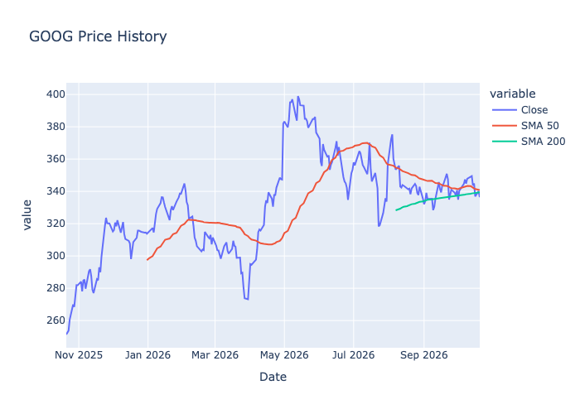
GOOG — Alphabet Inc.
Section | Metric | Value
Profile | Name | Alphabet Inc.
Profile | Sector | Communication Services
Profile | Industry | Internet Content & Information
Profile | Market Cap | $4,114,150,064,128
Price | Price | $336
Price | Previous Close | $340
Price | Daily Change % | -1.1%
Price | 1 Month Change % | -4.1%
Price | SMA 50 | $341
Price | SMA 200 | $339
Price | Bullish Alignment | Bearish
Profitability | ROE | 0.5%
Profitability | Profit Margin | 54.8%
Profitability | Revenue Growth | 24.2%
Profitability | Earnings Growth | 294.0%
Profitability | Free Cash Flow | $22,665,000,960
Value | Forward PE | 21.9
Value | PEG | 1.2
Value | Debt To Equity | 18.9
Value | Target Price | $422
Value | Upside % | 25.5%
Momentum | RSI | 44.0
Momentum | MACD | -0.1
Momentum | MACD Signal | 0.7
Momentum | MACD Histogram | -0.8

MDLZ Summary
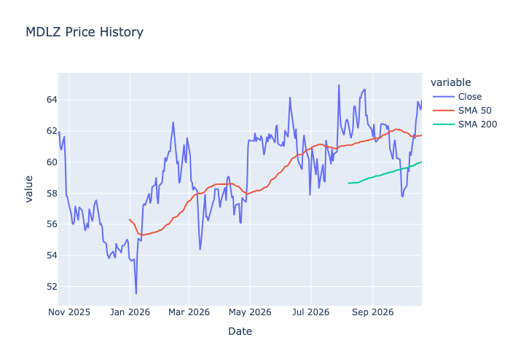
MDLZ — Mondelez International, Inc.
Section | Metric | Value
Profile | Name | Mondelez International, Inc.
Profile | Sector | Consumer Defensive
Profile | Industry | Confectioners
Profile | Market Cap | $81,670,955,008
Price | Price | $64
Price | Previous Close | $63
Price | Daily Change % | 1.0%
Price | 1 Month Change % | 7.3%
Price | SMA 50 | $61
Price | SMA 200 | $59
Price | Bullish Alignment | Bullish
Profitability | ROE | 0.1%
Profitability | Profit Margin | 8.9%
Profitability | Revenue Growth | 4.1%
Profitability | Earnings Growth | 144.9%
Profitability | Free Cash Flow | $2,252,375,040
Value | Forward PE | 19.0
Value | PEG | 0.9
Value | Debt To Equity | 82.6
Value | Target Price | $69
Value | Upside % | 7.9%
Momentum | RSI | 66.3
Momentum | MACD | 0.7
Momentum | MACD Signal | 0.2
Momentum | MACD Histogram | 0.6

MDT Summary
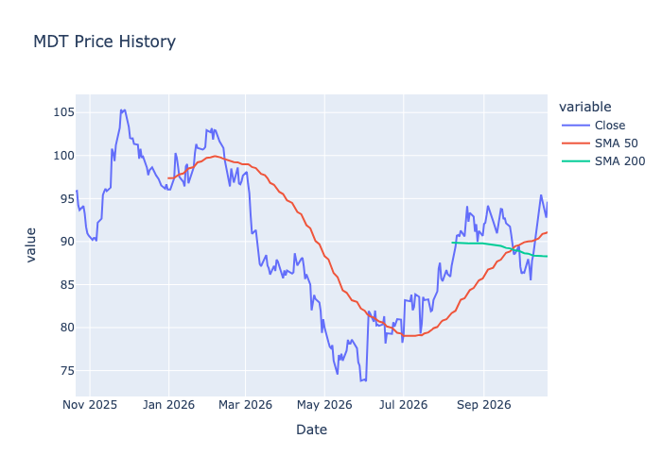
MDT — Medtronic plc.
Section | Metric | Value
Profile | Name | Medtronic plc.
Profile | Sector | Healthcare
Profile | Industry | Medical Devices
Profile | Market Cap | $121,044,819,968
Price | Price | $95
Price | Previous Close | $93
Price | Daily Change % | 2.0%
Price | 1 Month Change % | 4.0%
Price | SMA 50 | $91
Price | SMA 200 | $87
Price | Bullish Alignment | Bullish
Profitability | ROE | 0.1%
Profitability | Profit Margin | 13.9%
Profitability | Revenue Growth | 13.7%
Profitability | Earnings Growth | 40.7%
Profitability | Free Cash Flow | $5,412,499,968
Value | Forward PE | 14.8
Value | PEG | 1.7
Value | Debt To Equity | 55.4
Value | Target Price | $105
Value | Upside % | 10.6%
Momentum | RSI | 61.7
Momentum | MACD | 1.3
Momentum | MACD Signal | 0.5
Momentum | MACD Histogram | 0.7

PG Summary
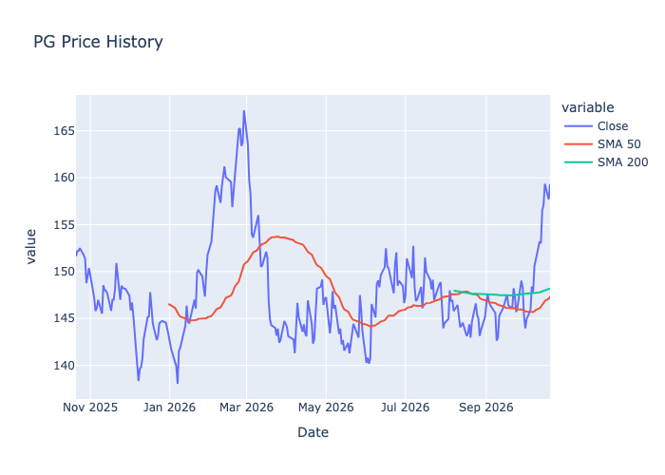
PG — Procter & Gamble Company (The)
Section | Metric | Value
Profile | Name | Procter & Gamble Company (The)
Profile | Sector | Consumer Defensive
Profile | Industry | Household & Personal Products
Profile | Market Cap | $370,048,172,032
Price | Price | $159
Price | Previous Close | $158
Price | Daily Change % | 1.0%
Price | 1 Month Change % | 9.1%
Price | SMA 50 | $147
Price | SMA 200 | $147
Price | Bullish Alignment | Bullish
Profitability | ROE | 0.3%
Profitability | Profit Margin | 18.4%
Profitability | Revenue Growth | 1.5%
Profitability | Earnings Growth | -15.5%
Profitability | Free Cash Flow | $13,280,874,496
Value | Forward PE | 21.6
Value | PEG | 4.1
Value | Debt To Equity | 64.5
Value | Target Price | $162
Value | Upside % | 1.8%
Momentum | RSI | 71.6
Momentum | MACD | 3.2
Momentum | MACD Signal | 2.1
Momentum | MACD Histogram | 1.1

TMO Summary
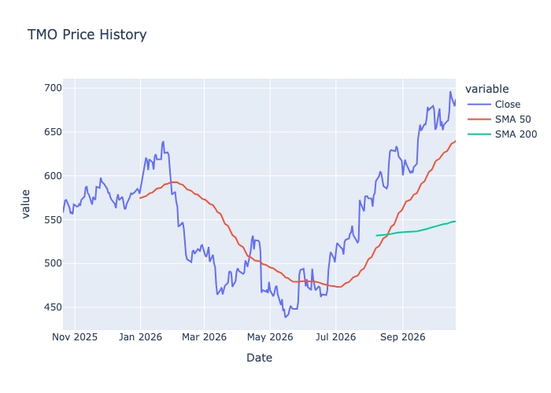
TMO — Thermo Fisher Scientific Inc
Section | Metric | Value
Profile | Name | Thermo Fisher Scientific Inc
Profile | Sector | Healthcare
Profile | Industry | Diagnostics & Research
Profile | Market Cap | $254,153,195,520
Price | Price | $687
Price | Previous Close | $679
Price | Daily Change % | 1.2%
Price | 1 Month Change % | 4.3%
Price | SMA 50 | $640
Price | SMA 200 | $548
Price | Bullish Alignment | Bullish
Profitability | ROE | 0.1%
Profitability | Profit Margin | 15.0%
Profitability | Revenue Growth | 10.5%
Profitability | Earnings Growth | 9.4%
Profitability | Free Cash Flow | $6,237,250,048
Value | Forward PE | 24.9
Value | PEG | 2.0
Value | Debt To Equity | 80.6
Value | Target Price | $691
Value | Upside % | 0.5%
Momentum | RSI | 61.3
Momentum | MACD | 12.9
Momentum | MACD Signal | 12.6
Momentum | MACD Histogram | 0.3

TXN Summary
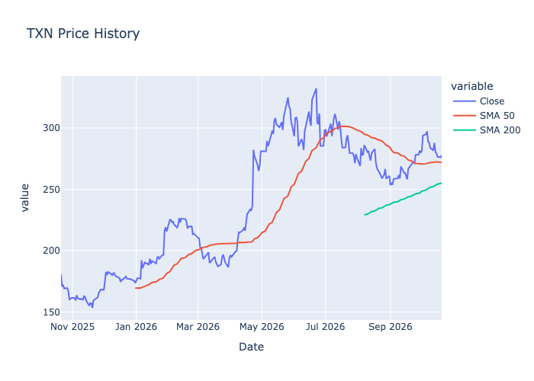
TXN — Texas Instruments Incorporated
Section | Metric | Value
Profile | Name | Texas Instruments Incorporated
Profile | Sector | Technology
Profile | Industry | Semiconductors
Profile | Market Cap | $253,681,942,528
Price | Price | $278
Price | Previous Close | $276
Price | Daily Change % | 0.6%
Price | 1 Month Change % | 2.6%
Price | SMA 50 | $272
Price | SMA 200 | $254
Price | Bullish Alignment | Bullish
Profitability | ROE | 0.4%
Profitability | Profit Margin | 31.1%
Profitability | Revenue Growth | 22.8%
Profitability | Earnings Growth | 51.8%
Profitability | Free Cash Flow | $3,545,250,048
Value | Forward PE | 26.1
Value | PEG | 0.9
Value | Debt To Equity | 78.0
Value | Target Price | $330
Value | Upside % | 18.6%
Momentum | RSI | 49.0
Momentum | MACD | 1.9
Momentum | MACD Signal | 3.5
Momentum | MACD Histogram | -1.6

